maa_routes
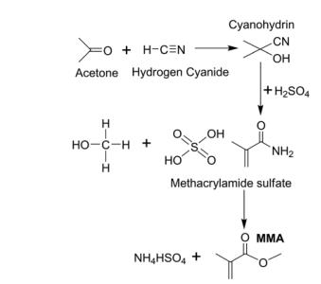
1. ACH

Chemical | Moles | MW | Price/kg | moles/kg | price/mole
Acetone | 1 | 58 | 65 | 17.24137931 | 3.77
HCN | 1 | 27 | 70 | 37.037037037 | 1.89
H2SO4 | 1 | 98 | 20 | 10.204081633 | 1.96
Ammonium Sulphate | 1 | 132 | 0 | 7.5757575758 | 0
MAA | 1 | 86 | 150 | 11.627906977 | 12.9
 |  | EP | 5.28

2. C4 oxidation
Chemical | Moles | MW | Price/kg | moles/kg | price/mole
Isobutylene | 1 | 56 | 50 | 17.857142857 | 2.8
Oxygen | 1.5 | 32 | 0 | 31.25 | 0
MAA | 1 | 86 | 150 | 11.627906977 | 12.9
 |  | EP | 10.1

